Sheet1
Bublenut Wash Product List

A. LAUNDRY CARE | PRICES |  | Pictures

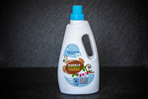
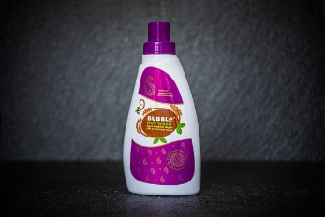
1.Natural Laundry Detergent (1L and 500mL) | Rs. 169/Rs. 289 | A.1. (1L) |  | A.2. | A.3.

2. Pure Sopanut Liquid-Silk and Woolen Wash(500mL) | Rs.179

3. Natural Laundry Detergent Bar(100gm)-Pack of 2 | Rs.198

4. Natural Laundry Detergent (5L)

B.KITCHEN CARE

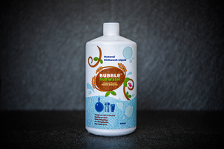
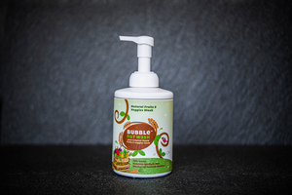
1. Natural Dishwash Liquid (810ml and 5L) | Rs.299/Rs.1499 | B.1.(810ML) |  | B.2. | B.3.

2.Natural Dishwash Powder(250gm) | Rs.119

3. Natural Fruist and Veggie Foam Wash( 500mL) | Rs.249

C. HOME CARE AND HYGIENE
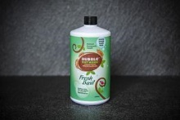
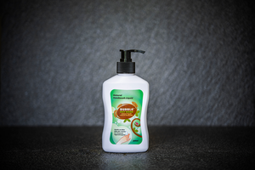
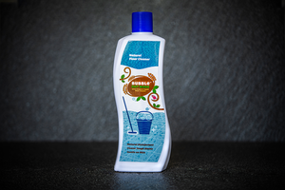
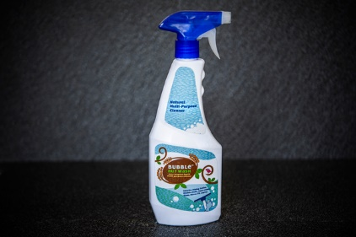
1.Natural Handwash Liquid(250mL) | Rs.199 | C.1 |  | C.2 | C.3 | C.4.

2. Natural Handwas Liquid Fresh Basil(810 ml and 5L) | Rs.349/Rs.1499

3. Natural floor cleaner( 500mL and 5L) | Rs.129

4. Multipurpose Cleaner Spray(500mL)

D.PERSONAL CARE

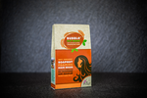
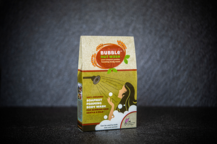
1.Natural Foaming Hair wash powder- pack of 2[100gm] | Rs. 198 | D.1 |  | D.2

2. Natural Foaming Bpdy Wash Powder-Pack of 2[100gm] | Rs.258

